Current state
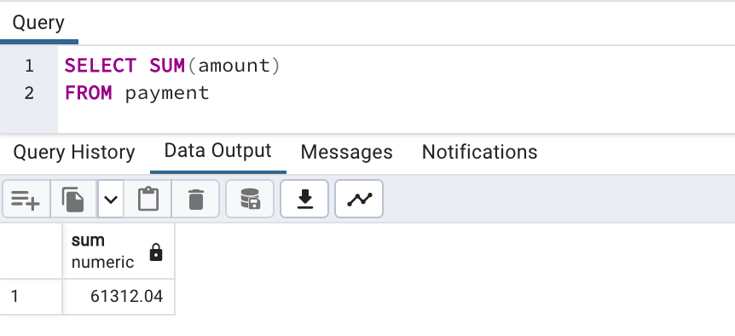
Number of Customer
 |  |  | Number of countries
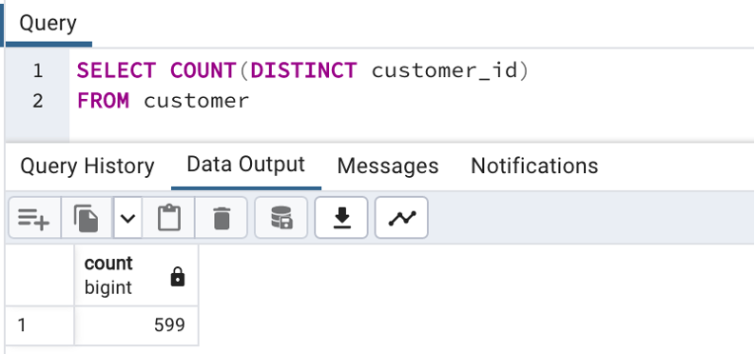
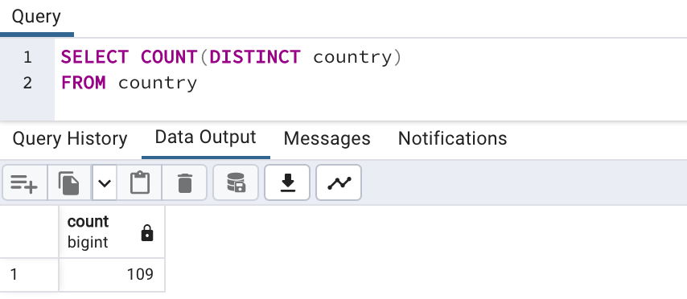

Number of films |  |  | Total revenu

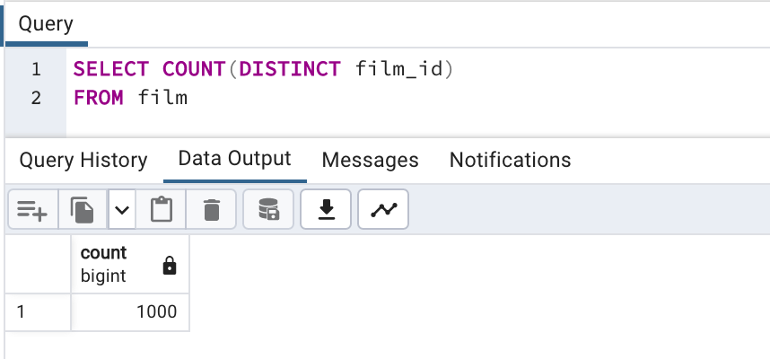

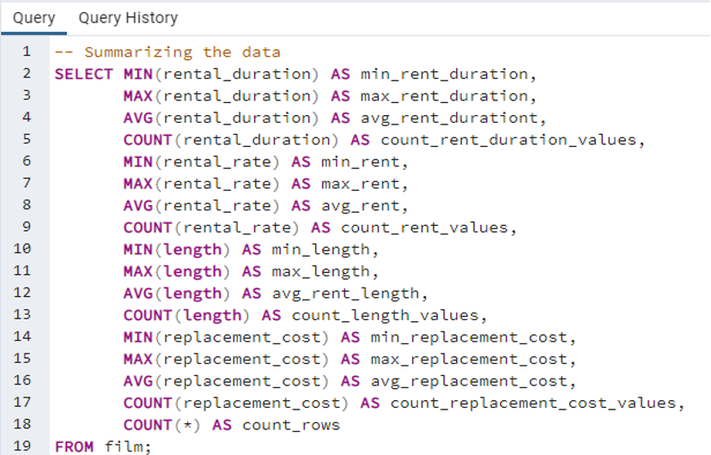
Descriptive Statistics (FILM table)
Rental Duration (days) | min_rental_duration | 3
 | max_rental_duration | 7
 | avg_rental_duration | 4,98
 | count_rental_duration_values | 1002
Rental Rate ($) | min_rental_rate | 0,99
 | max_rental_rate | 4,99
 | avg_rental_rate | 2,98
 | count_rental_rate_values | 1002
Length (min) | min_length | 46
 | max_length | 185
 | avg_length | 115
 | count_length_values | 1000
Replacement Cost ($) | min_replacement_cost | 9,99
 | max_replacement_cost | 29,99
 | avg_replacement_cost | 19,98
 | count_replacement_cost_values | 1002
Count of Rows | count_rows | 1002

Revenu by genre
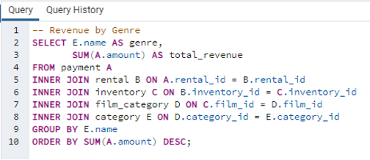
genre | total_revenue
Sports | 4892,19
Sci-Fi | 4336,01
Animation | 4245,31
Drama | 4118,46
Comedy | 4002,48
New | 3966,38
Action | 3951,84
Foreign | 3934,47
Games | 3922,18
Family | 3782,26
Documentary | 3749,65
Horror | 3401,27
Classics | 3353,38
Children | 3309,39
Travel | 3227,36
Music | 3071,52
Thriller | 47,89

Sales by country
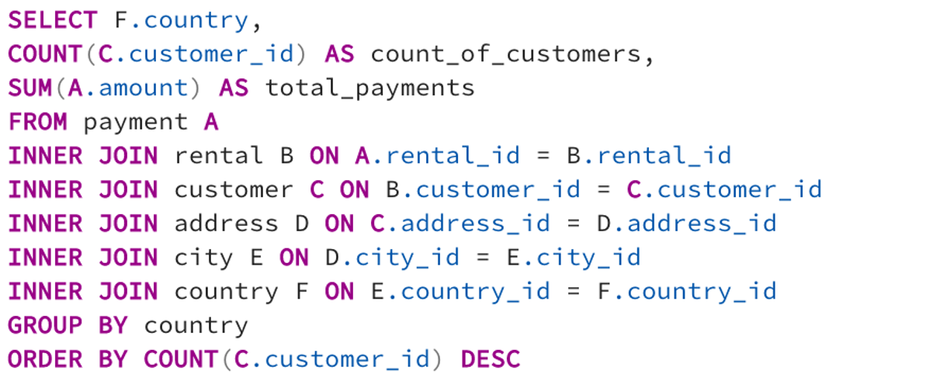
country | customer_count | total_payment
India | 60 | 6034,78
China | 53 | 5251,03
United States | 36 | 3685,31
Japan | 31 | 3122,51
Mexico | 30 | 2984,82
Brazil | 28 | 2919,19
Russian Federation | 28 | 2765,62
Philippines | 20 | 2219,7
Turkey | 15 | 1498,49
Indonesia | 14 | 1352,69
Nigeria | 13 | 1314,92
Argentina | 13 | 1298,8
Taiwan | 10 | 1155,1
South Africa | 11 | 1069,46
Iran | 8 | 877,96
United Kingdom | 9 | 850,96
Poland | 8 | 786,16
Italy | 7 | 753,26
Germany | 7 | 741,24
Vietnam | 6 | 676,45
Ukraine | 6 | 675,53
Colombia | 6 | 661,54
Egypt | 6 | 659,48
Venezuela | 7 | 632,43
Canada | 5 | 559,7
Netherlands | 5 | 557,73
South Korea | 5 | 527,77
Spain | 5 | 513,8
Yemen | 4 | 473,93
Pakistan | 5 | 473,84
Saudi Arabia | 5 | 452,94
Peru | 4 | 407,01
Thailand | 3 | 401,08
Israel | 4 | 379,13
Ecuador | 3 | 369,18
Bangladesh | 3 | 353,19
Algeria | 3 | 349,18
France | 4 | 334,12
Malaysia | 3 | 330,23
Tanzania | 3 | 322,22
Mozambique | 3 | 315,25
United Arab Emirates | 3 | 305,25
Dominican Republic | 3 | 304,26
Chile | 3 | 303,34
Austria | 3 | 284,3
Morocco | 3 | 274,35
Paraguay | 3 | 273,4
Belarus | 2 | 271,36
Latvia | 2 | 249,43
Switzerland | 3 | 248,41
Kenya | 2 | 245,49
Yugoslavia | 2 | 233,49
Puerto Rico | 2 | 224,48
Romania | 2 | 218,42
Runion | 1 | 211,55
French Polynesia | 2 | 205,52
Greece | 2 | 204,54
Sudan | 2 | 202,51
Azerbaijan | 2 | 198,53
Bulgaria | 2 | 194,52
Kazakstan | 2 | 192,51
Angola | 2 | 187,55
Cameroon | 2 | 186,49
Myanmar | 2 | 179,53
Cambodia | 2 | 179,51
Bolivia | 2 | 178,56
Congo, The Democratic Republic of the | 2 | 168,58
Oman | 2 | 161,56
Holy See (Vatican City State) | 1 | 146,68
Nauru | 1 | 143,7
Sweden | 1 | 139,67
Czech Republic | 1 | 132,72
Moldova | 1 | 127,66
Turkmenistan | 1 | 126,74
Chad | 1 | 122,72
Malawi | 1 | 121,73
Zambia | 1 | 121,7
Virgin Islands, U.S. | 1 | 121,69
Greenland | 1 | 119,72
Armenia | 1 | 118,75
Gambia | 1 | 114,73
Iraq | 1 | 111,73
Hungary | 1 | 111,71
Bahrain | 1 | 108,76
North Korea | 1 | 107,71
Brunei | 1 | 107,66
Kuwait | 1 | 106,75
Estonia | 1 | 105,72
Hong Kong | 1 | 104,76
Sri Lanka | 1 | 103,73
Liechtenstein | 1 | 99,74
Anguilla | 1 | 99,68
French Guiana | 1 | 97,8
Faroe Islands | 1 | 96,76
Senegal | 1 | 95,76
Nepal | 1 | 93,83
Tuvalu | 1 | 93,78
Madagascar | 1 | 92,79
Ethiopia | 1 | 91,77
New Zealand | 1 | 85,77
Slovakia | 1 | 80,77
Finland | 1 | 78,79
Tunisia | 1 | 73,78
Afghanistan | 1 | 67,82
Tonga | 1 | 64,84
Saint Vincent and the Grenadines | 1 | 64,82
Lithuania | 1 | 63,78
American Samoa | 1 | 47,85

Rental duration by genre
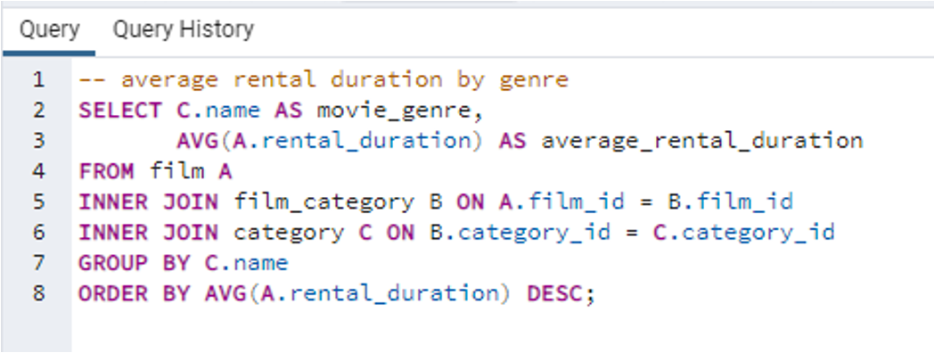
 | movie_genre | average_rental_duration
1 | Thriller | 6
2 | Travel | 5,35
3 | Music | 5,24
4 | Family | 5,16
5 | Foreign | 5,11
6 | Drama | 5,08
7 | Classics | 5,07
8 | Games | 5,07
9 | Children | 5,03
10 | Action | 4,95
11 | Comedy | 4,93
12 | Animation | 4,89
13 | Sci-Fi | 4,89
14 | Horror | 4,86
15 | Documentary | 4,76
16 | New | 4,75
17 | Sports | 4,72

